Sheet1
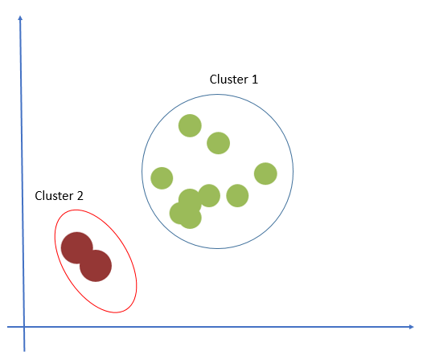
Simple Example of K-Means Clustering

 | Height | Weight
 | 185 | 72
 | 170 | 56 | Step-1
 | 168 | 60
 | 179 | 68 |  | Cluster | Initial Centroid
 | 182 | 72 |  |  | Height | Weight
 | 188 | 77 |  | K1 | 185 | 72
 | 180 | 71 |  | K2 | 170 | 56
 | 180 | 70
 | 183 | 84 |  | In this example, value of K is considered as 2. Cluster centroids are initialized with first 2 observations.
 | 180 | 88
 | 180 | 67
 | 177 | 76 | Step-2
 |  |  | Calculate the Euclidean Distance
 |  |  | Euclidean is one of the distance measures used on K Means algorithm.
 |  |  | Euclidean distance between of a observation and initial cluster centroids 1 and 2 is calculated
 |  |  | Based on euclidean distance each observation is assigned to one of the clusters - based on minimum distance.

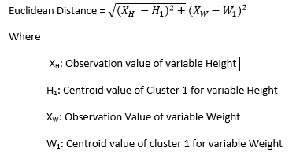

 |  |  | Euclidean Distance from Cluster-1 |  |  | Euclidean Distance from Cluster-2 | Assignment
 |  |  | sqrt[(185-185)^2 + (72-72)^2]=0 |  |  | sqrt[(185-170)^2 + (72-56)^2]= 21.93 | 1
 |  |  | sqrt[(170-185)^2 + (56-72)^2]=21.93 |  |  | sqrt[(170-170)^2 + (56-56)^2]=0 | 2

 |  |  | Step-3
 |  |  | Consider one new Datum

 |  |  | Height | Weight
 |  |  | 168 | 60

 |  |  | Euclidean Distance from Cluster-1 |  |  | Euclidean Distance from Cluster-2 | Assignment
 |  |  | sqrt[(168-185)^2 + (60-72)^2]=20.808 |  |  | sqrt[(168-170)^2 + (60-56)^2]=4.472 | 2

 |  |  | Step-4

 |  |  | Since distance is minimum from cluster 2, so the observation is assigned to cluster 2.
 |  |  | Now revise Cluster Centroid – mean value Height and Weight as Custer Centroids
 |  |  | Addition is only to cluster 2, so centroid of cluster 2 will be updated

 |  |  | Cluster | Initial Centroid
 |  |  |  | Height | Weight
 |  |  | K1 | 185 | 72
 |  |  | K2 | (170+168)/2=169 | (56+60)/2=58

 |  |  | Step-5

 |  |  | Calculate Euclidean Distance for the next observation, assign next observation based on minimum euclidean distance and update the cluster centroids.

 |  |  | Height | Weight
 |  |  | 179 | 68

 |  |  | Euclidean Distance from Cluster-1 |  |  | Euclidean Distance from Cluster-2 | Assignment
 |  |  | 7.21 |  |  | 14.14 | 1

 |  |  | Update Cluster Centroid

 |  |  | Cluster | Initial Centroid
 |  |  |  | Height | Weight
 |  |  | K1 | 182 | 70.67
 |  |  | K2 | 169 | 58

 |  |  | Continue the steps until all observations are assigned

 |  |  | Final Assignments

 |  |  | Height | Weight | Assignments
 |  |  | 185 | 72 | 1
 |  |  | 170 | 56 | 2
 |  |  | 168 | 60 | 2
 |  |  | 179 | 68 | 1
 |  |  | 182 | 72 | 1
 |  |  | 188 | 77 | 1
 |  |  | 180 | 71 | 1
 |  |  | 180 | 70 | 1
 |  |  | 183 | 84 | 1
 |  |  | 180 | 88 | 1
 |  |  | 180 | 67 | 1
 |  |  | 177 | 76 | 1

 |  |  | This is what was expected initially based on two-dimensional plot

